Michael Kors
 |  |  |  |  | 542 |  |  | € 77,430.00
0 | Item Code | Colour | UPC | Collection | Qty | EUR RRP | DISC -70%
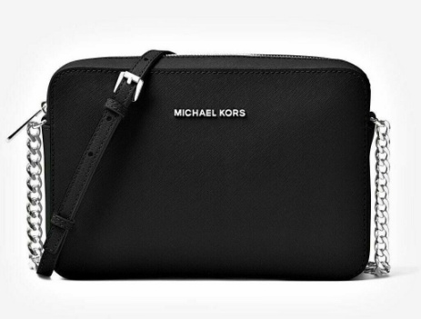 | 35F0STTC9L | BLACK | 192317779769 | JET SET ITEM | 10 | € 220.00 | € 66.00 | € 14,520.00
 | 35F8STTC9L | NAVY/SILVER | 192317779851 | JET SET ITEM | 10 | € 220.00 | € 66.00 | € 660.00
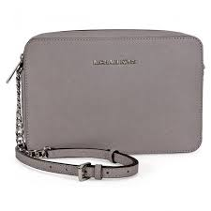 | 35F8STTC9L | GREY | 192877302421 | JET SET ITEM | 20 | € 220.00 | € 66.00 | € 1,320.00
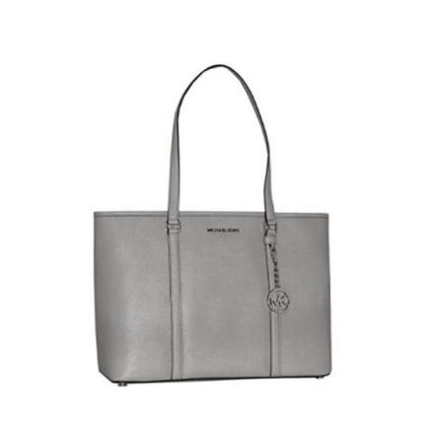 | 35T7GD4T7L | PGREY | 191262033568 | SADY | 20 | € 360.00 | € 108.00 | € 2,160.00
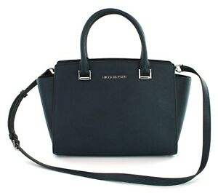 | 35H8GLMS2L | NAVY | 192877309475 | SELMA | 10 | € 360.00 | € 108.00 | € 1,080.00
 | 35H8SLMS2L | NAVY | 192877038177 | SELMA | 10 | € 360.00 | € 108.00 | € 1,080.00
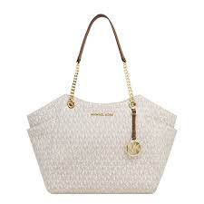 | 35F8GTVE7B | VANILLA | 192877938460 | CHAIN | 20 | € 375.00 | € 112.50 | € 2,250.00
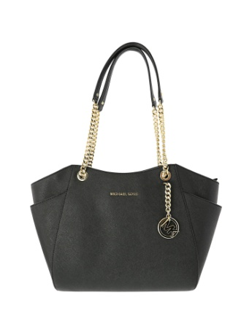 | 35T5GTVT3L | BLK | 889154317505 | CHAIN | 25 | € 375.00 | € 112.50 | € 2,812.50
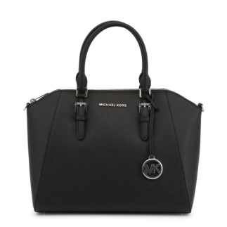 | 35H5SC6S3L | BLACK | 889154941465 | CIARA SATCHEL | 30 | € 450.00 | € 135.00 | € 4,050.00
 | 35H5SC6S3L | BLACK | 192317772340 | CIARA SATCHEL | 10 | € 450.00 | € 135.00 | € 1,350.00
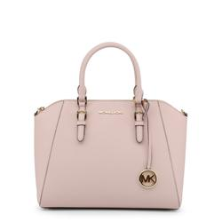 | 35H5GC6S3L | BLOSSOM | 889154936577 | CIARA SATCHEL | 25 | € 450.00 | € 135.00 | € 3,375.00
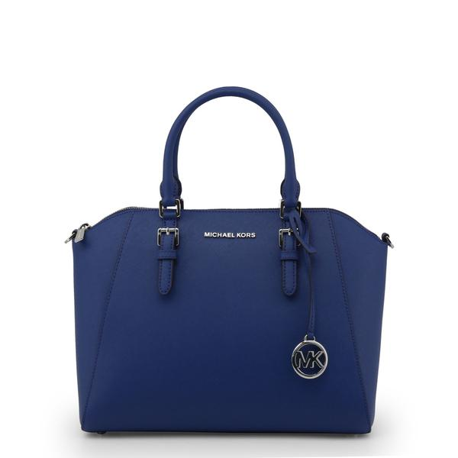 | 35H5GC6S3L | SAPPHIRE | 192317790368 | CIARA SATCHEL | 15 | € 450.00 | € 135.00 | € 2,025.00
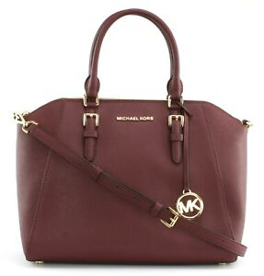 | 35H5GC6S3L | CMERLOT | 190049651933 | CIARA SATCHEL | 15 | € 450.00 | € 135.00 | € 2,025.00
 | 35H5GC6S3L | NAVY | 889154936546 | CIARA SATCHEL | 30 | € 450.00 | € 135.00 | € 4,050.00
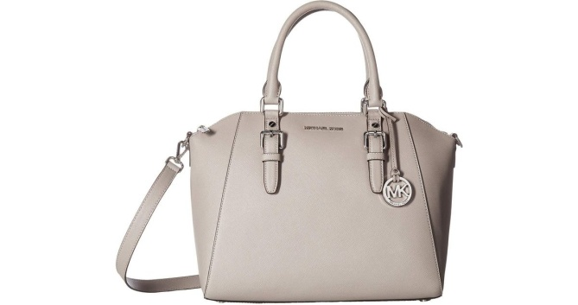 | 35H5SC6S3L | PGREY | 190049401552 | CIARA SATCHEL | 15 | € 450.00 | € 135.00 | € 2,025.00
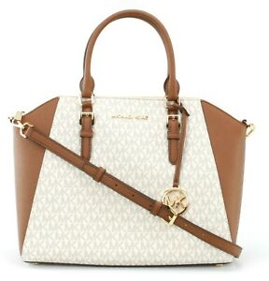 | 35S9GC6S3B | VANILLA | 192877959687 | CIARA SATCHEL | 10 | € 450.00 | € 135.00 | € 1,350.00
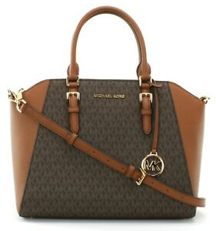 | 35S9GC6S3B | BROWN | 192877959694 | CIARA SATCHEL | 30 | € 450.00 | € 135.00 | € 4,050.00
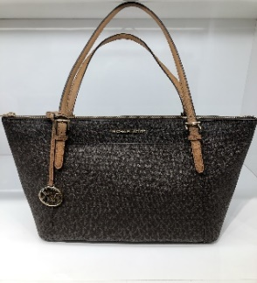 | 35F8GC6T7B | BROWN | 192877937609 | CIARA TOTE | 16 | € 375.00 | € 112.50 | € 1,800.00
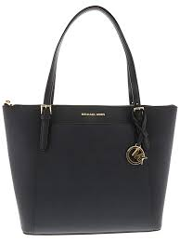 | 35T8GC6T9L | NAVY | 192317129236 | CIARA TOTE | 25 | € 375.00 | € 112.50 | € 2,812.50
 | 35F8SC6T9L | HEATHER GREY | 192877938903 | CIARA TOTE | 5 | € 375.00 | € 112.50 | € 562.50
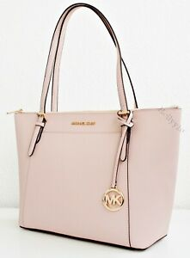 | 35T8GC6T9L | BLOSSOM | 192317129281 | CIARA TOTE | 10 | € 375.00 | € 112.50 | € 1,125.00
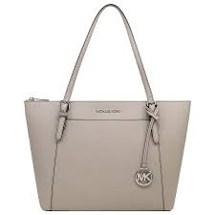 | 35F8SC6T9L | CEMENT | 192877686736 | CIARA TOTE | 20 | € 375.00 | € 112.50 | € 2,250.00
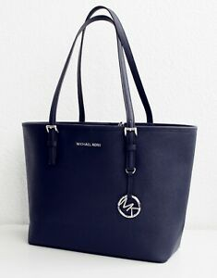 | 35H7STVT2L | NAVY | 191935020857 | CARRYALL | 15 | € 325.00 | € 97.50 | € 1,462.50
 | 35H7STVT2L | MERLOT | 192877005001 | CARRYALL | 5 | € 325.00 | € 97.50 | € 487.50
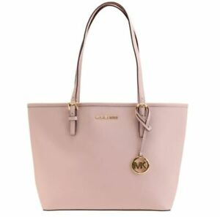 | 35H7GTVT2L | BLOSSOM | 191935012906 | CARRYALL | 10 | € 325.00 | € 97.50 | € 975.00
 | 35H8GTVT2B | BROWN | 192877958895 | CARRYALL | 5 | € 325.00 | € 97.50 | € 487.50
 | 35H7GTVT2L | BISQUET | 192877689218 | CARRYALL | 38 | € 325.00 | € 97.50 | € 3,705.00
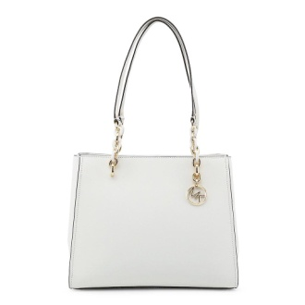 | 35F8GO5T9L | WHITE | 192877001577 | SOFIA | 10 | € 470.00 | € 141.00 | € 1,410.00
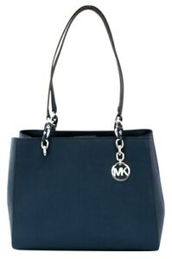 | 35H8SO5T7L | NAVY | 192877315308 | SOFIA | 10 | € 450.00 | € 135.00 | € 1,350.00
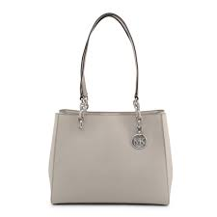 | 35H8SO5T7L | CEMENT | 192877693031 | SOFIA | 10 | € 450.00 | € 135.00 | € 1,350.00
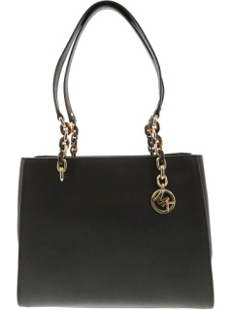 | 35F8GO5T3L | BLK | 192317754407 | SOFIA | 10 | € 450.00 | € 135.00 | € 1,350.00
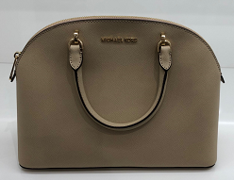 | 35T9GY3S3L | BISQUE | 192877715313 | EMMY SATCHEL | 10 | € 425.00 | € 127.50 | € 1,275.00
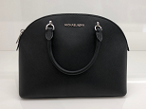 | 35T9SY3S3L | BLACK | 192877728603 | EMMY SATCHEL | 18 | € 425.00 | € 127.50 | € 2,295.00
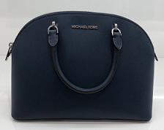 | 35TASY3S3L | NAVY | 192877728634 | EMMY SATCHEL | 20 | € 425.00 | € 127.50 | € 2,550.00

